Screenings
No | Description | Inputs | Expected Output | Actual Output | Pass / Fail
1 | Add Screening (Type : Male and Female) | Age : 9 Common illness: Hand Foot Mouth Disease Recommended screening: - Demographic affected: Male and Female Regularity : 0 | Success Message shown, screening added into the table | Success Message shown, redirect to view screenings page | Pass
2 | Add Screening (Type : Male) | Age : 20 Common illness: Cancers Recommended screening: - Demographic affected: Male Regularity : 1 | Success Message shown, screening added into the table | Success Message shown, redirect to view screenings page | Pass
3 | Add Screening (Type : Female) | Age : 21 Common illness: Cancer Recommended screening: - Demographic affected: Female Regularity : 1 Year | Success Message shown, screening added into the table | Success Message shown, redirect to view screenings page | Pass
4 | Add Screening (Type : Infant) | Age : 1 Common illness: Chicken Pox Recommended screening: - Demographic affected: Infant Regularity : 1 Year | Success Message shown, screening added into the table | Success Message shown, redirect to view screenings page | Pass
5 | View Screenings | Access the URL: viewscreenings.html | Verify that logged in user can access the link |  | Pass
6 | View Screenings | Click on the 'View Screenings' from the Screenings drop down list on the header | Verify that logged in user can access the view screenings tab |  | Pass
7 | Edit Screening (Type: All) | Age : 0 Common illness: Hand Foot Mouth Disease Recommended screening: Body Checkup Demographic affected: Infant, Female, Male Regularity : 0 | Success Message shown, screening details updated. | No message to indicate screening updated | Fail
8 | View Screenings | Access the URL: viewscreenings.html | Verify that screening - Hand Foot Mouth Disease from Test Case 7 has been updated | Demographic affected was female, female, male | Fail
9 | Delete Screening | Delete Screening updated from Test Case 7 Age : 0 Common illness: Hand Foot Mouth Disease Recommended screening: - Demographic affected: All Regularity : 0 | Redirect back to View Screening webpage, 'Hand Foot Mouth Disease' not shown in the screening table, a message 'Screening successfully deleted.' shown | Redirect back to screening page, screening not shown | Pass
10 | Add Screening : Wrong Age Group | Age : 9 Common illness: Fever Recommended screening: - Demographic affected: Infant, Female, Male Regularity : 0 | Error Message Shown (Infant cannot be above 1 years old) | "Successfully added" and redirect to view screenings | Fail
11 | View Screenings | Access the URL: viewscreenings.html | Ensure that Test Case 10 is not added in to the screenings table | Illness for infant added | Fail
12 | View Screenings with Filter | Access the URL: viewscreenings.html Demographic: Infant Age Group: 0 - 2 | The screening table should show screenings belonging to age group 0 or 2 year old | Unable to filter for result | Fail
13 | View Screenings with Filter | Access the URL: viewscreenings.html Demographic: Infant Age Group: 20 - 30 in drop down list | The screening table should show no result / user not able to select any age in the drop down list | All screenings shown | Fail
14 | View Screenings with Filter | Access the URL: viewscreenings.html Demographic: Male Age Group: 20 - 30 in drop down list | The screening table should show screenings belonging to male, age group between 20 - 30 years old | All screenings shown | Fail
15 | View Clients Base on Filter | Access the URL: viewscreenings.html Demographic: Male Age Group: 20 - 30 in drop down list Illness: Cancers, Click 'View Client List' | 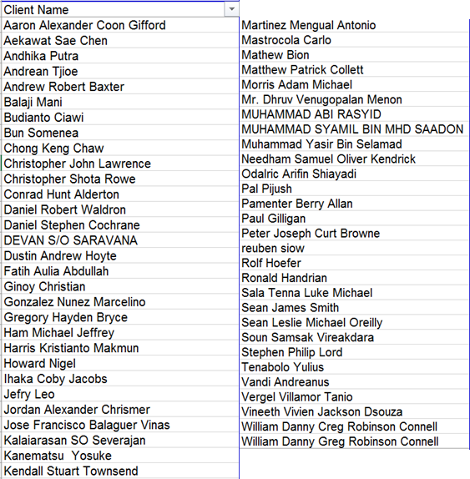 59 Names should shown.
16 | View Clients Base on Filter | Access the URL: viewscreenings.html Demographic: Infant Illness: Chicken Pox, Click 'View Client List' | 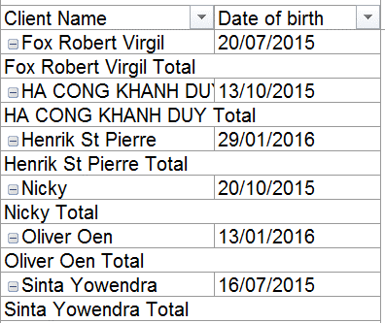 6 Names should shown
17 | Delete Screening | Delete Screening updated from Test Case 4 Age : 1 Common illness: Chicken Pox Recommended screening: - Demographic affected: Infant Regularity : 1 | Redirect back to View Screening webpage, 'Chicken Pox' not shown in the screening table, a message 'Screening successfully deleted.' shown | Screening removed | Pass
18 | Add Screenings (Type: Men and Female) | Age : 18 Common illness: Obesity Recommended screening: BMI & Waist Circumference Demographic affected: Male and Female Regularity : 1 | Success Message shown, screening added into the table | Success Message shown, redirect to view screenings page | Pass
19 | Add Screenings (Type: Men and Female) | Age : 18 Common illness: Hypertension (High Blood Pressure) Recommended screening: Blood Pressure Measurement Demographic affected: Male and Female Regularity : 2 | Success Message shown, screening added into the table | Success Message shown, redirect to view screenings page | Pass
20 | Add Screenings (Type: Female) | Age : 18 Common illness: Breast Cancer Recommended screening: Clinical Breast Exam Demographic affected: Female Regularity : 3 | Success Message shown, screening added into the table | Success Message shown, redirect to view screenings page | Pass
21 | Add Screenings (Type: Infant) | Age : 0 Common illness: Hepatitis B Recommended screening:Hepatitis B-2nd Dose Demographic affected: Infant Regularity : 0 | Success Message shown, screening added into the table | Success Message shown, redirect to view screenings page | Pass
22 | Add Screenings (Type: Infant) | Age : 1 month Common illness: Hepatitis B Recommended screening: Hepatitis B-1st Dose Demographic affected: Infant Regularity : 0 | Success Message shown, screening added into the table | Success Message shown, redirect to view screenings page | Pass
23 | Sort Screenings (By Starting Age) | Click on Starting Age Header to sort the age (ascending to descending order) | Age are sorted in ascending order starting from 0 | Unable to click | Fail
24 | Sort Screenings (By Starting Age) | Click on Starting Age Header to sort the age (descending to ascending order) | Age are sorted in descending order | Unable to click | Fail
25 | Sort Screenings (By conditionName) | Click on Condition Name Header to sort the names (ascending to descending order) | Condition names are sorted in alphatical order (A - Z) | Unable to click | Fail
26 | Sort Screenings (By screening) | Click on Screening Header to sort the names (ascending to descending order) | Screenings are sorted in alphatical order (A - Z) | Unable to click | Fail
27 | Sort Screenings (By type) | Click on Type Header to sort the names (ascending to descending order) | Type are sorted in alphatical order (A - Z) | Unable to click | Fail
28 | Value specific validation | Access add screenings page, click 'Add' | Error message show to input empty fields | Error message show to input empty fields | Pass
29 | Value specific validation | Access view screenings page, select Obesity screening for female and click 'Edit' Remove all values and click 'Update' | Error message show to input empty fields | Page redirect to viewscreening page and screenings updated | Fail
30 | Value specific validation | Access view screenings page, click 'generate' | Error message show to input empty fields | Error message show to input empty fields | Pass

